1. Title Page
Instacart Customer Analysis

Project Name: Instacart Customer Analysis
Date: 6/16/2023
Analyst Name: Emmanuel Featherstone

Contents:
Population Flow
Consistency checks
Wrangling steps
Column derivations
Visualizations
Recommendations

2. Population Flow
Title page

Population flow

Exclusion flag
Condition: max_order < 5
Obervations to be removed: 2,233,435
Final total count of order_products_all: 32404859

Orders_products_combined
Orders_products_merged
Orders_products_all

Total: 32404859
Total: 32434489
Total: 32404859

1.) The grey boxes in the first row of the population flow represent the original data sets as they were when you downloaded them. In the Total fields you need to add the count of the rows when you imported the data set into Jupyter.
2.) The second row of boxes (coloured) represents the data sets after you manipulated them, e.g., removed missing values and duplicates. In the Total fields you need to add the count of the rows after conducting these operations. This offers a visual oveview of how the data flows throughout the data consistency checks.
3.) The third row, where also the arrows are coloured, represents the merges you performed between the datasets. In the Total fields you need to add the count of the rows in the merged datasets, so that you end up with the final dataset (in the red box). Keep in mind the final dataset should be without exclusions (based on the exclusion flag).

3. Consistency checks
 |  |  |  | Title page
Consistency checks

Dataset | Missing values | Missing values treatment | Duplicates
orders | 0 | None | None
products | 16 | Exclusion | 5
orders_products_prior | 0 | None | None
customers | 0 | None | None

4. Wrangling steps
 |  |  |  | Title page
Wrangling steps

Columns dropped | Columns renamed | Columns' type changed | Comment/Reason
'eval_set' from orders |  |  | infomormation not needed
'Unnamed : 0' from orders |  |  | infomormation not needed
'date_joined' from customers |  |  | infomormation not needed
 | 'n_dependants' to 'Number of Dependants' from customers |  | number of dependants is easier to understand
 | fam_status' to 'Family Status' from customers |  | family status is easier to understand
 | Surnam' to 'Last Name' from customers |  | Last name is easier to understand
 | income' to 'Income' from customers |  | Capitalized the I
 |  | First Name' from customers | column was mixed data type

5. Column derivations
 |  |  |  | Title page

Column derivations and aggregations

In this tab you should add tables below that the frequences of flags/label variables that you produced after deriving them. NB: don't do this for continuous variables, only for flags.
Dataset | New column | Column/s it was derived from | Conditions
orders_products_merged | price_range | prices | ['prices'] <= 5: return 'Low-range product'
 |  |  | ['prices'] > 5) and (row['prices'] <= 15): return 'Mid-range product'
 |  |  | ['prices'] > 15: return 'High range'

orders_products_merged | busiest_day | orders_day_of_week | value == 0: result.append("Busiest day")
 |  |  | value == 4: result.append("Least busy")
 |  |  | result.append("Regularly busy")

orders_products_merged | Busiest_days | orders_day_of_week | value == 0: result.append("Busiest days")
 |  |  | value == 1: result.append("Busiest days")
 |  |  | value == 4: result.append("Slowest days")
 |  |  | value == 3: result.append("Slowest days")
 |  |  | result.append("Regularly busy")

orders_products_merged | Busiest_hours | order_hour_of_day | value in {10,11,14,15,13}: result.append("Most orders")
 |  |  | value in {3,4,2,5,1}: result.append("Average orders")
 |  |  | value in {18,19,20,7,21}: result.append("Least orders")
 |  |  | result.append("Regular hours")

orders_products_merged | loyalty_flag | max_order | ['max_order'] > 40, 'loyalty_flag'] = 'Loyal customer'
 |  |  | ['max_order'] <= 40) & (ords_prods_merge['max_order'] > 10), 'loyalty_flag'] = 'Regular customer'
 |  |  | ['max_order'] <= 10, 'loyalty_flag'] = 'New customer'

orders_products_merged | shopper_frequency | median_days_since_prior_order | ['median_days_since_prior_order'] > 20, 'shopper_frequency'] = 'Non-frequent_customer'
 |  |  | ['median_days_since_prior_order'] <= 20) & (ords_prods_merge['median_days_since_prior_order'] > 10), 'shopper_frequency'] = 'Regular_customer'
 |  |  | ['median_days_since_prior_order'] <= 10, 'shopper_frequency'] = 'Frequent_customer'

ords_prods_customers_merged | PARENT_STAGE_FLAG | Age + Number of Dependants | ['Age'] <= 35) & (ords_prods_customers_merged['Number of Dependants'] > 0), 'PARENT_STAGE_FLAG'] = 'Young_Parent'
 |  |  | ['Age'] > 35) & (ords_prods_customers_merged['Number of Dependants'] > 0), 'PARENT_STAGE_FLAG'] = 'Older_Parent'
 |  |  | ['Number of Dependants'] == 0, 'PARENT_STAGE_FLAG'] = 'Childless'

6. Visualizations
Title page

Visualisations

In this tab you should include all the visualtions from Exercises 4.9 and 4.10, alongside the questions from the project brief that they answer. Include any commentary on the relationship between different variables.

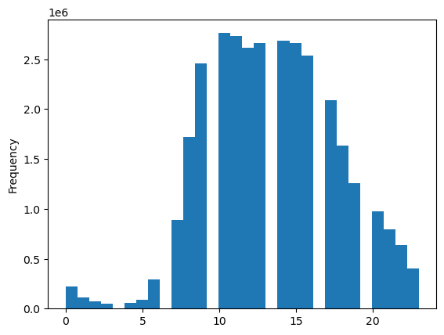
1.) What are the busiest hours of the day for shoppers?
Bottom axis is hours, top axis is frequency of purchases. Shows that the busiest hours are between 8am - 4pm
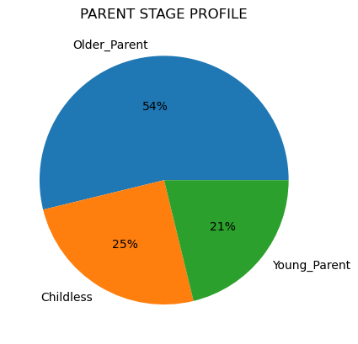
6.) What is the distribution of parent stage profiles?
This shows that the majority of parents are older (older than 35 and have at least 1 dependent). After that, childless and young parents are even.


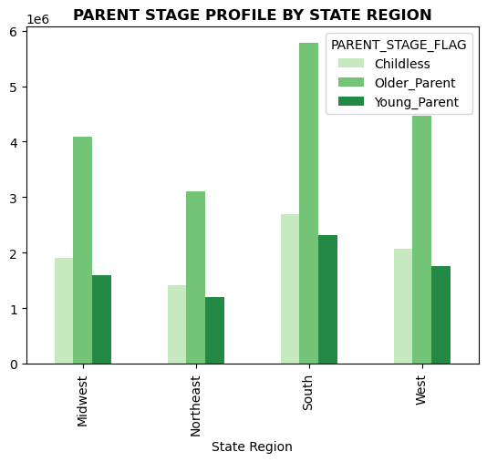
2.) What is the distribution of the different customer loyalty flags?
Shows that most customers are regular shoppers, followed by loyal customers, then new customers. This was dreived from max number of orders each customer made.
New Customer: max order <=10
Regular Customer: max order > 10 but <=40
Loyal Customer: max order > 40

7.) is there a difference in parent stage distribution per region? it seems in the south there are a higher number of older parents than in the other regions.

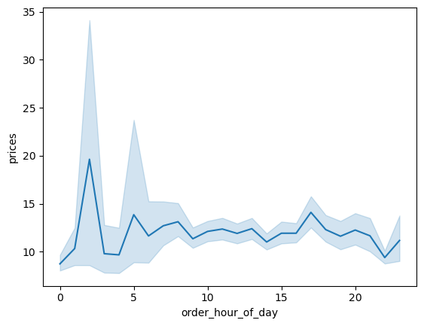
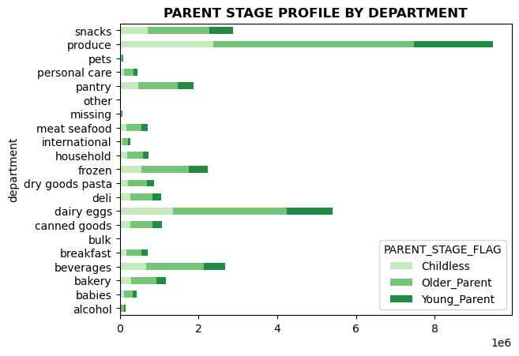

3.) Is there a difference in expenditure depending on the hour of the day?
Shows that the highest grossing hour of the day is between 0 and 5 am.
8.) Is there a difference in shopper behavior by department depending on parent stage?
This shows a fairly even distribution of shopper behavior per parent stage.

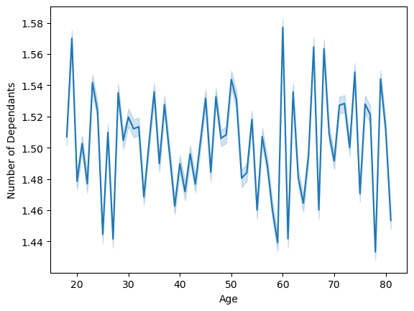
4.) Is there a correlation between the age of the customer and number of their dependents?
Shows that there is no identifiable correlation between the age of the customer and their number of dependents.
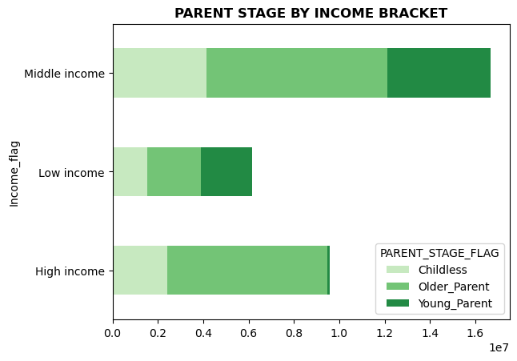

9.) Is there a difference in parent stage per income bracket?
This shows that few young parents are in the high income bracket. But shows a fairly even distribution for low and middle income.



5.) is there a correlation between age and income?
This chart shows that the higher in age the customer gets, past a certain threshold, their income does increase.

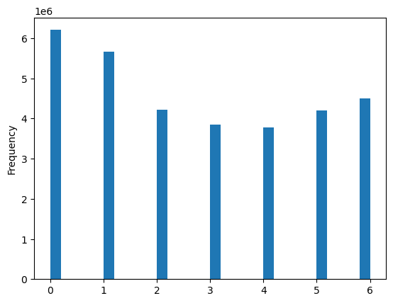

10.) Is there a difference in order amount per day of the week?
This shows that the busiest days are Sunday and Monday.
0 - Sunday
1 - Monday
2 - Tuesday
3 - Wednesday
4 - Thursday
5 - Friday
6 - Saturday

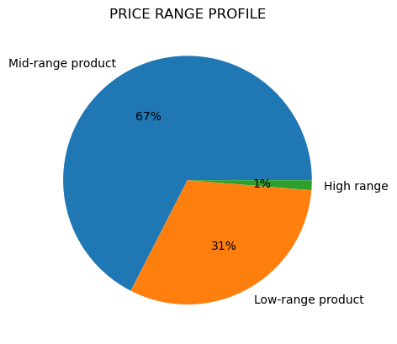
11.) What is the distribution of different price range groupings?
Low-Range price is less than 5
Mid-Range is between 5 and 15
High range is above 15.
This shows that most are mid range and then low range. only a small portion of products are high range.

7. Recommendations
 |  |  |  | Title page

Recommendations

In this tab you should include any recommendations you would made to Instcart in terms of their marketing strategy based on the questions posed in the brief. Every key question has been covered in the Tasks of the Exercises - here you need to add an item - a visualisation or table/crosstable that is showing the answer in the data, acompanied by a comment from you. Please, list the questions below and add the answer underneath.

Question |  | Answer | Recommendation
Key Question 1 | The sales team needs to know what the busiest days of the week and hours of the day are (i.e., the days and times with the most orders) in order to schedule ads at times when there are fewer orders. | Graph 1 & 10 give us the information on this question. Based on the data, I would say the busiest times for orders placed for Instacart to run ads would be Sunday and Mondays between 8am - 4pm. | The best time for Instacart to run ads would be Sundays and Mondays between 8am - 4pm
Key Question 2 | They also want to know whether there are particular times of the day when people spend the most money, as this might inform the type of products they advertise at these times. | According to graph 3, the hours of the day that ads are most likely to bring in revenue would be between midnight and 5 am. | The best time to advertise products for higher spenders would be between midnight and 5 am, as this is the time of day that generates the most revenue.
Key Question 3 | Instacart has a lot of products with different price tags. Marketing and sales want to use simpler price range groupings to help direct their efforts. | According to graph 11, we have 3 groupings, low, mid, and high range products. Low range are below 5. Mid range products are between 5 and 15. High range products are aboe 15. We can see 67% are mid range, 31% are low range, and 1% are high range. It suggests that most of our market would consist of mid to low range products. | We can use 3 price ranges: High, Mid and Low range. The price ranges are defined in the previous cell.
Key Question 4 | Are there certain types of products that are more popular than others? The marketing and sales teams want to know which departments have the highest frequency of product orders | According to chart 8, we can see that the produce, dairy eggs, and snacks section are the top 3 in terms of frequency of product orders. We could focus on marketing from those categories. | We should focus on produce, diary eggs, and snacks.
Key Question 5 | What’s the distribution among users in regards to their brand loyalty (i.e., how often do they return to Instacart)? | According to chart 2, most customers have made between 10 and 40 orders total being 'Regular Customers'. After that most customers have made over 40 orders being 'Loyal Customers'. The rest are 'New Customers' having made less than 10 orders. We could focus our advertising to the Regular and Loyal customers, since they make up the majority of the bracket. | We should focus on advertising to customers that are in the Regular to Loyal customer profile.
Key Question 6 | What different classifications does the demographic information suggest? Age? Income? Certain types of goods? Family status? | Based on chart 6, we have classified shoppers into 3 categories: Older parents, being over age 35 and at least 1 depenedant. Younger parents being younger than age 35 with at least 1 dependant. and Childless, having 0 dependants. Older parents make up the majority of our shoppers. | Shoppers that fall into the "older parent" profile make up the majority of customers.
Key Question 7 | What different classifications does the demographic information suggest? Age? Income? Certain types of goods? Family status? | Based on chart 9, we also classified shoppers based on Income bracket. If we want to reach higher income shoppers, we should target older parents primarily, since they make up most of that bracket. Middle Income is shared equally. | Customers that fall into the "older parent" profile also should be targeted because they tend to be higher in income.

